Wrapper
Pipeline Name | Load_Raw_To_Stage

 | This pipeline loads all the relevant datasets from Bronze Raw to Bronze Stage
Description

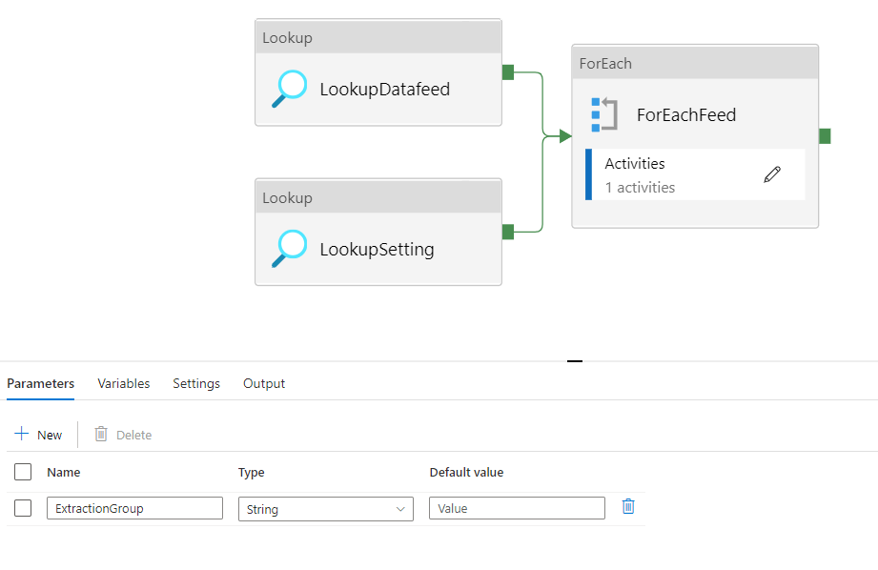
 |  | Parameters
 |  | ExtractionGroup | Enter the group of data that needs to be extracted. (Can be found in config.db_datafeed in sql)

 |  | Activities
 |  | LookupDatafeed | Looks up the datasets and their details including the storage paths from config.db_datafeed from sql for the extraction group provided
 |  | LookupSetting | Looks up the generic settings used across the environment to be passed to the pipeline like container names, api links etc from the config.db_settings table in SQL
 |  | ForEachFeed | Following child activities are executed for each row in the output of the LookupDatafeed Activity

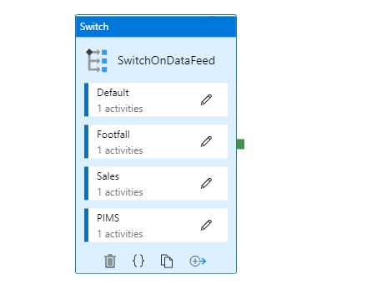
 |  | Activities
 |  | SwitchOnDataFeed | This Activity checks if the dataset belongs to one of the following categories : 1. Generic (Retail Advantage) 2. Nested JSONs (Retail Advantage) 3. PIMS

 |  | Category | Description
 |  | Generic | All Retail Advantage Datasets that do not sit as nested JSONs like centre, zones, leases, units etc
 |  | Nested JSONs | All Retail Advantage Datasets that sit as nested JSONs, for eg : Footfall and Sales, these have separate data flows for each of the datasets
 |  | PIMS | All PIMS Datasets

Default
Data Flow Name | Load_Raw_To_Stage_JSON_Generic

 | This dataflow loads all datasets from Retail Advantage which don't need JSONs to be unrolled (all apart from Sales and Footfall)
Description
 |  | Parameters
 |  | StageADLSPath | Storage Path for the Bronze Stage Delta Table is provided here dynamically
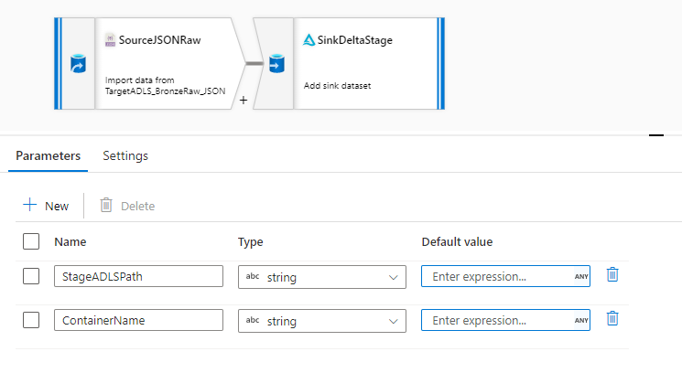
 |  | ContainerName | The name of the Blob Container

 |  | Transformations
 |  | SourceJSONRaw | The Bronze Raw file in JSON format is taken as source
 |  | SinkDeltaStage | The Bronze Raw JSON file is converted to a delta table and written to the StageADLSPath

Sales
Data Flow Name | Load_Raw_To_Stage_JSON_Sales

 | This dataflow loads Sales dataset from Raw to Stage while unrolling the JSON hierarchy
Description

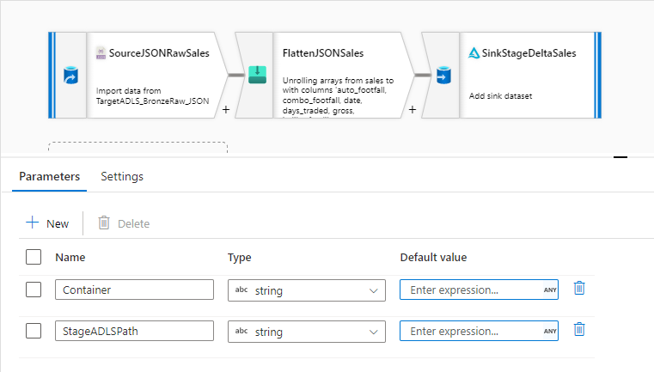

 |  | Parameters
 |  | StageADLSPath | Storage Path for the Bronze Stage Delta Table is provided here dynamically
 |  | ContainerName | The name of the Blob Container

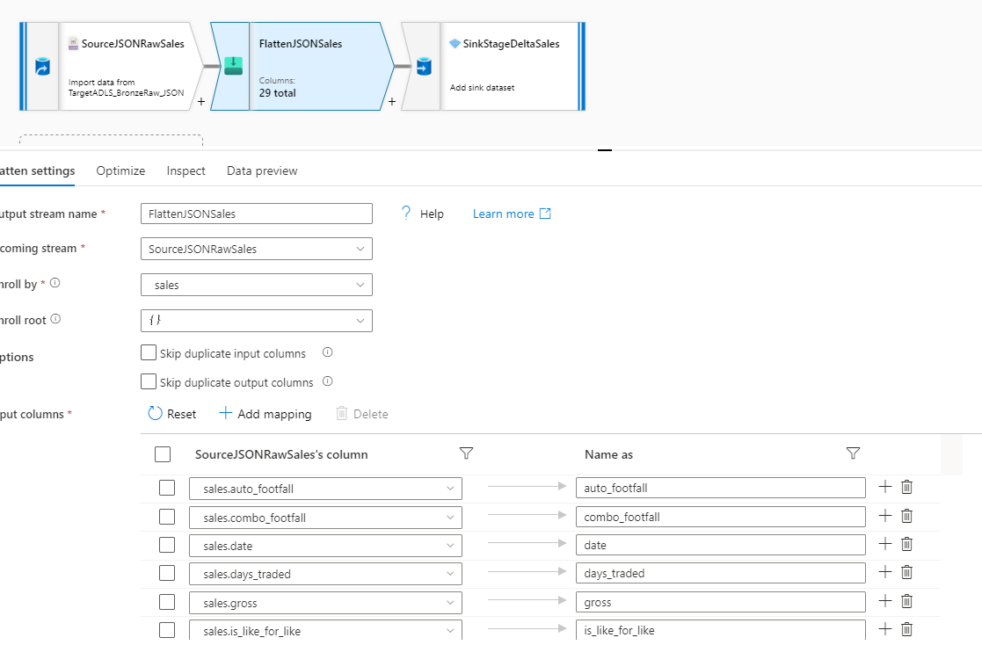

 |  | Transformations
 |  | SourceJSONRawSales | Takes the collated version of all Raw Sales files by centre and month as source
 |  | FlattenJSONSales | Unroll the JSON file and flatten it while renaming the columns
 |  | SinkStageDeltaSales | Write the flattened version of the json files to a delta table in StageADLSPath

Footfall
Data Flow Name | Load_Raw_To_Stage_JSON_Footfall

 | This dataflow loads Footfall dataset from Raw to Stage while unrolling the JSON hierarchy
Description

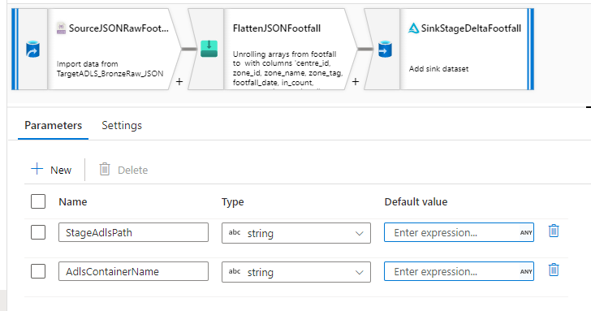
 |  | Parameters
 |  | StageADLSPath | Storage Path for the Bronze Stage Delta Table is provided here dynamically
 |  | ContainerName | The name of the Blob Container

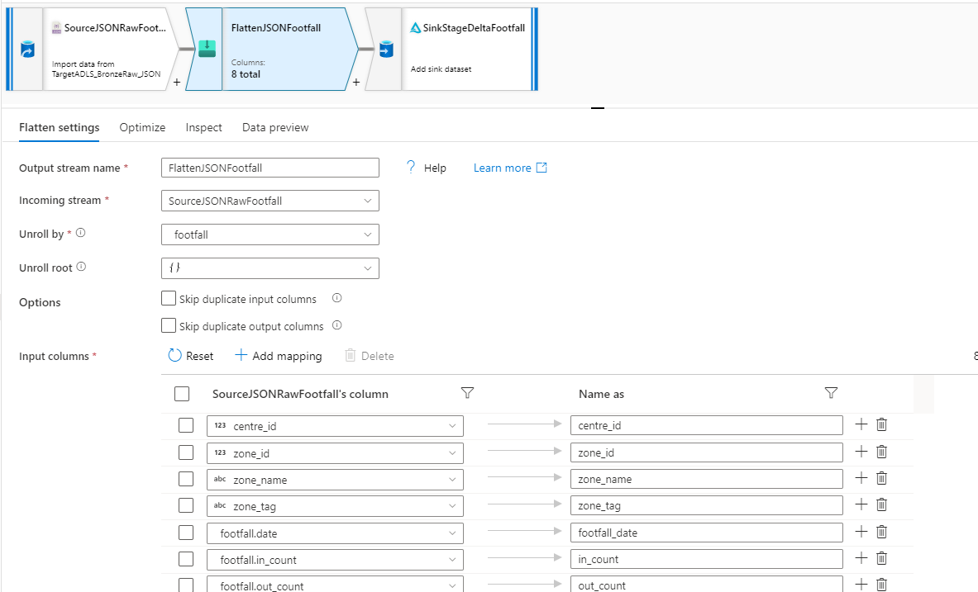

 |  | Transformations
 |  | SourceJSONRawFootfall | Takes the collated version of all Raw Sales files by centre and month as source
 |  | FlattenJSONFootfall | Unroll the JSON file and flatten it while renaming the columns
 |  | SinkStageDeltaFootfall | Write the flattened version of the json files to a delta table in StageADLSPath

PIMS
Data Flow Name | Load_Raw_To_Stage_Parquet

 | This dataflow loads all PIMS datasets from Raw to Stage while converting it to a delta table
Description

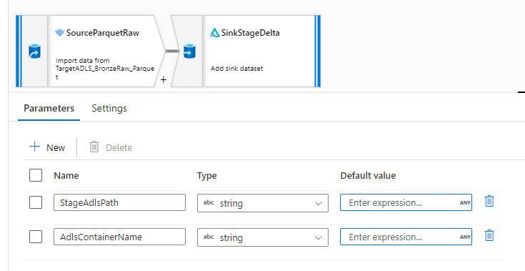

 |  | Transformations
 |  | SourceParquetRaw | Read the Bronze Raw Parquet file for the respective pims dataset as a source
 |  | SinkStageDelta | Write the same file as a delta table in Bronze Stage

